Bottling Request
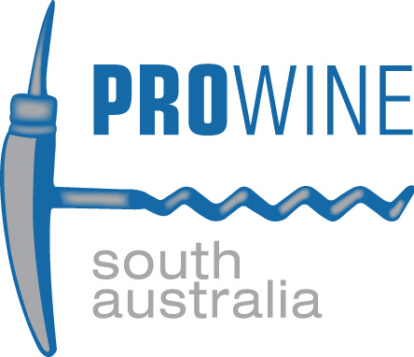
PROFESSIONAL WINE PACKAGING SA Pty Ltd -- BOTTLING REQUEST
ABN : 55 111 382 275

Customer: |  |  |  |  |  |  |  |  | Requested Week of Production:
Product:
Vintage: |  |  |  |  |  |  |  |  | Filtration : |  |  |  | Crossflow required:
Supply Winery :
Total Volume Booked (litres) : |  |  |  |  |  | Approx Dozens : |  |  | 6 Packs:
 |  |  |  |  |  |  | Organic/Biodynamic Status: |  |  | Yes |  | No
Process: |  |  |  |  |  |  | Geographical Indication (GI):

Material Supply Information

Country | Bottles |  |  |  | Corks |  |  |  | Closures |  |  |  |  | Carton |  |  |  | Dividers
 | Supplier | Description |  | Colour | Supplier | Producer | Description |  | Supplier | Producer | Code | Description |  | Supplier | Code | Colour / Pack Type | Description | Supplier | Description

Country | Total (6pks/doz) | Label Details |  | Label Heights (mm) |  |  |  | Palletising Details |  |  |  |  |  | Carton Label / Inkjet |  |  | Delivery Details |  | Dry Goods
 |  | Qty Front | Qty Back | Front | Back | Medal | Other | Configuration | Supply | Type | Slipsheet | Pallet Pad | Pallet Corners | Sticker/ Barcode/ Label | Inkjet Details |  | Address |  | Returned

0
0
0
0
0
Total |  | 0 | 0 |  |  |  |  |  |  |  | 0
Variance

Special Instructions
Please specify any additional information: (Double stretchwrapping, additional inkjet or carton label details, label changeover details, etc)

